Q1
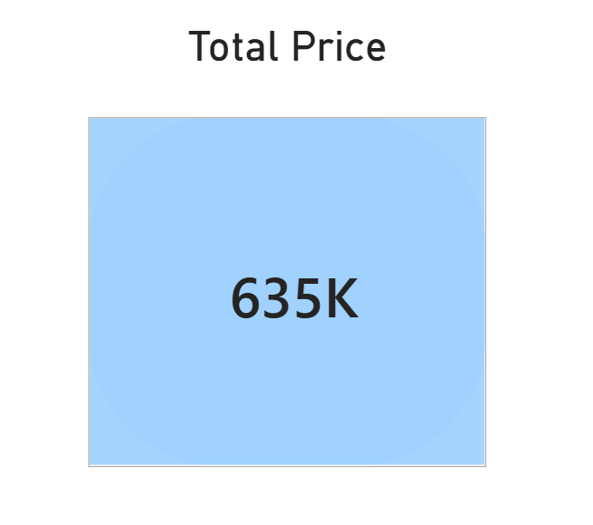
Create a calculated column of total sale using qty and unitprice
Total Sales = amazon_store_sales_2022[Quantity] * amazon_store_sales_2022[UnitPrice]

Q2
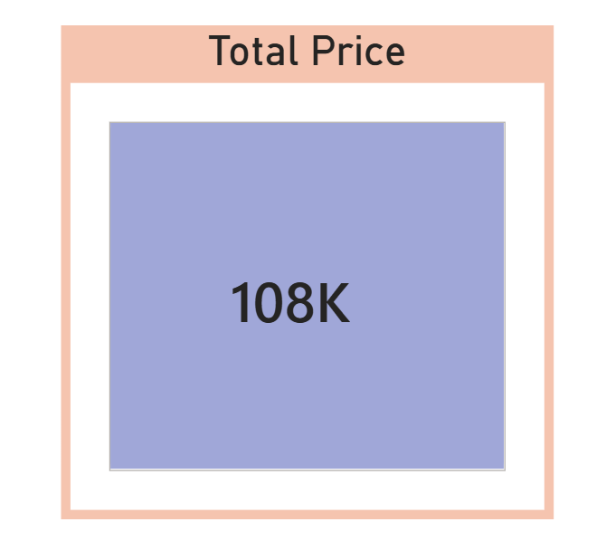
Create a calculated column discountedprice

DiscountedPrice = amazon_store_sales_2022[UnitPrice] * (1-amazon_store_sales_2022[Discount])

Q3
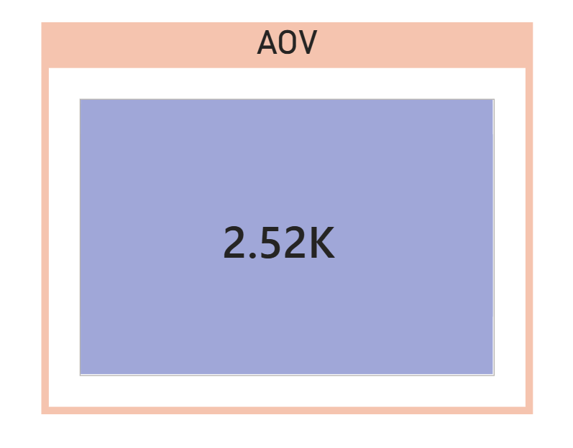
Create a measure Average Order Value

AOV = DIVIDE(SUM(amazon_store_sales_2022[SalesAmount]) , COUNTROWS(amazon_store_sales_2022))

Q4
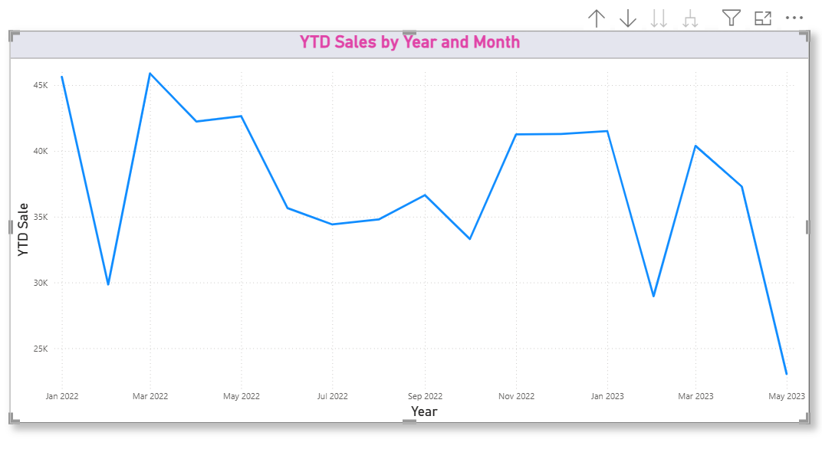
Using DAX, create a measure that calculates cumulative Year-to-Date (YTD) Sales based on the Order Date

YTD Sales = TOTALYTD(SUM(amazon_store_sales_2022[SalesAmount] ),amazon_store_sales_2022[OrderDate])

Q5
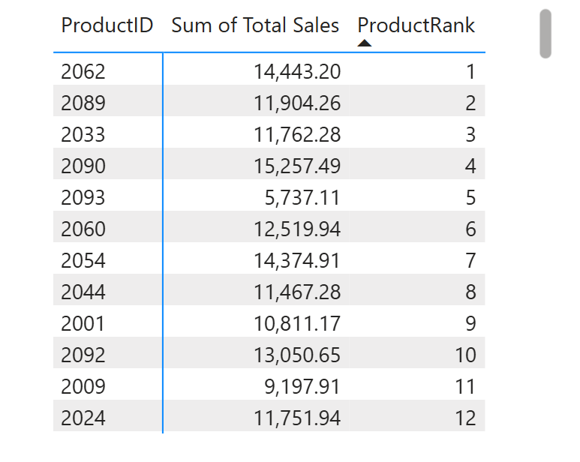
Using DAX, create a measure to rank each product according to its Total Sales, with the highest-selling product ranked first.

ProductRank = RANKX(ALLSELECTED(amazon_store_sales_2022[ProductID]),CALCULATE(SUM(amazon_store_sales_2022[SalesAmount])), , DESC,Dense)

Q6
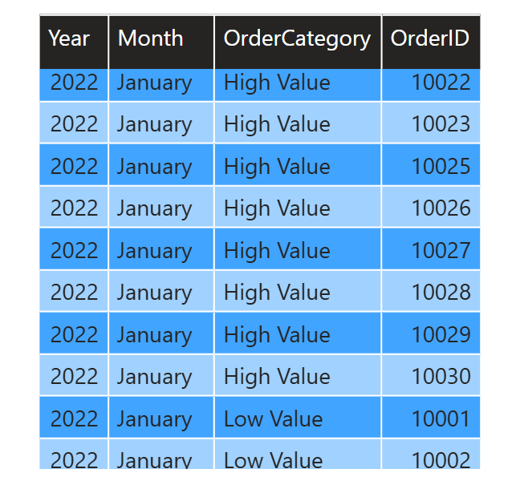
Create a calculated column classifying orders as “High Value” if sales > 2000, else “Low Value”.
OrderCategory = IF(amazon_store_sales_2022[SalesAmount]>2000,"High Value","Low Value")

Q7
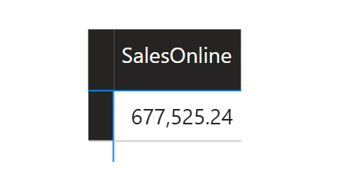
Create a measure to calculate total sales from the Online channel only.

SalesOnline = CALCULATE(SUM(amazon_store_sales_2022[SalesAmount]),amazon_store_sales_2022[SalesChannel] = "Online")

Q8
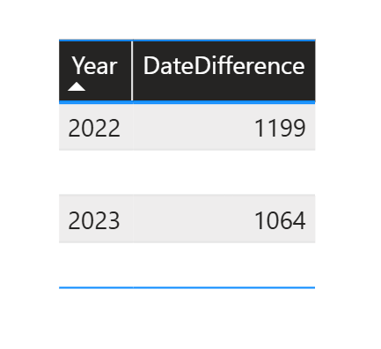
Create a measure called "Date Difference" that calculates the number of days between the latest Order Date and today's date using the DATEDIFF function.

DateDifference = DATEDIFF(MAX(amazon_store_sales_2022[OrderDate]),TODAY(),DAY)

